WHO Tech Guid calculation
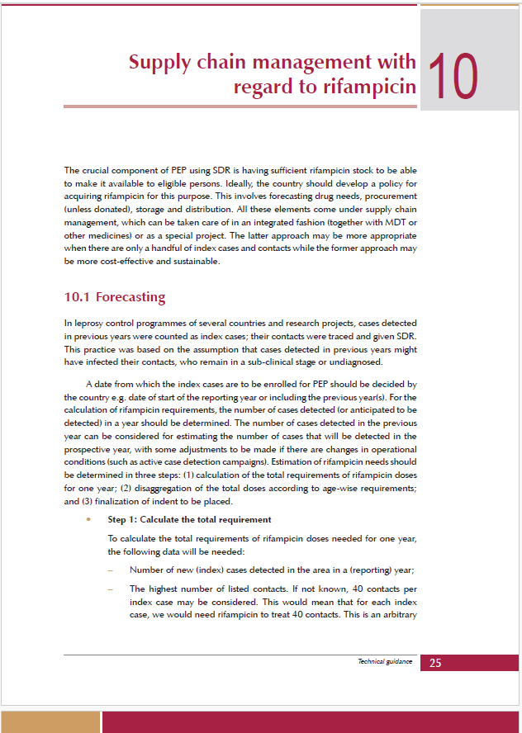
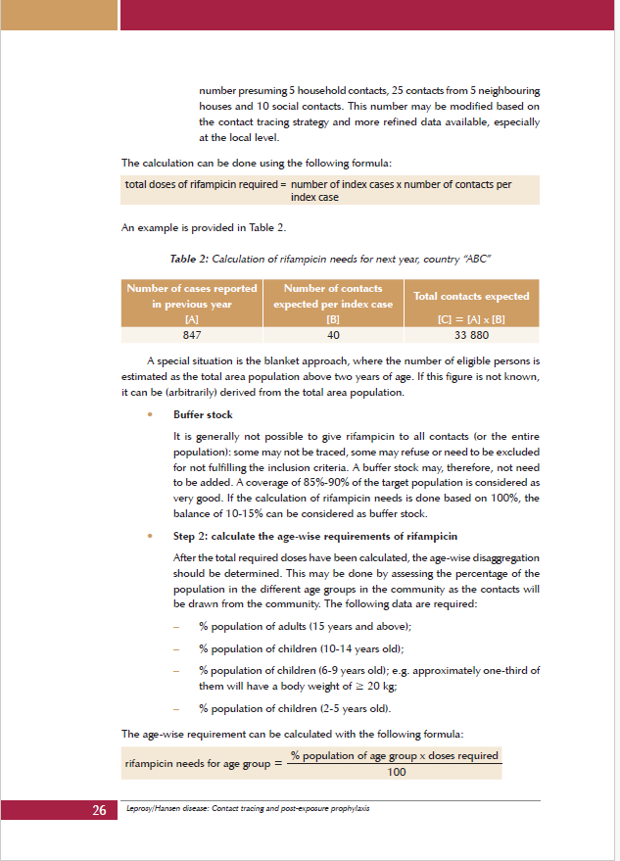
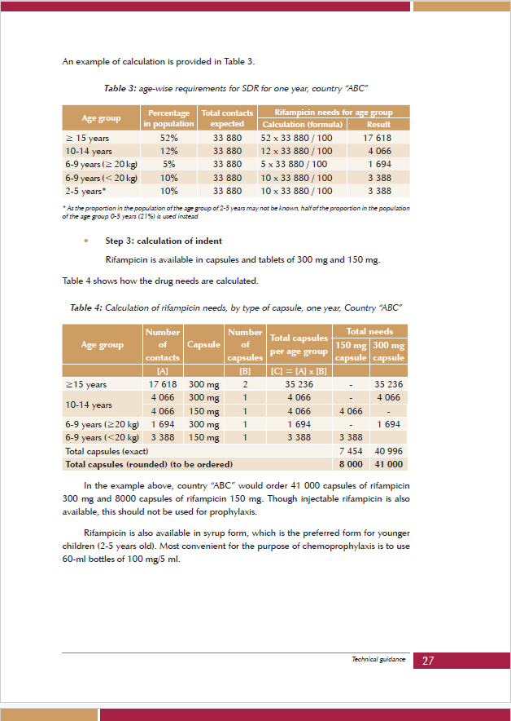
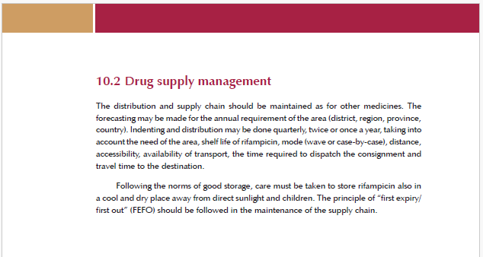
Leprosy/Hansen disease: contact tracing and post-exposure prophylaxis: technical guidance

WHO TG Eligibility Criteria
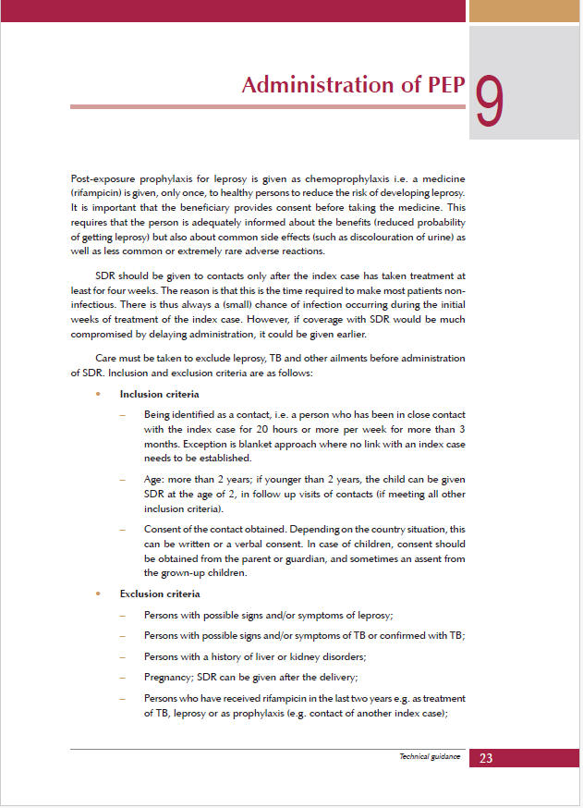
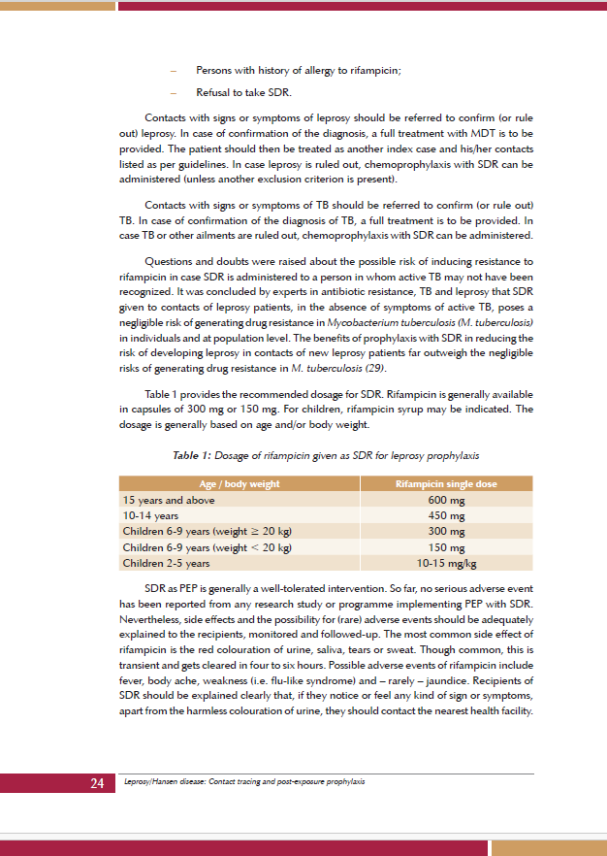
Leprosy/Hansen disease: contact tracing and post-exposure prophylaxis: technical guidance

